1. Title Page
CareerFoundry Instacart Project

Project Name: Instacart Data Analysis
Date: 02.05.2024
Analyst Name: Aaron Kibler

Contents:
Population Flow
Consistency checks
Wrangling steps
Column derivations
Visualizations
Recommendations

Data Citation:
The Instacart Online Grocery Shopping Dataset 2017”, Accessed by CareerFoundry from www.instacart.com/datasets/grocery-shopping-2017 via Kaggle on unknown date.
The customer data, as well as the “prices” column in the products data set, were both fabricated for the purpose of this course.

2. Population Flow
Title page

Population flow

Exclusion flag
Condition: max_order < 5
Obervations to be removed: 1,440,295
Final total count of order_products_all: 30,964,564

Orders_products_combined
Orders_products_merged
Orders_products_all

Total: 32,404,859
Total: 32,434,489
Total: 32,404,859

1.) The grey boxes in the first row of the population flow represent the original data sets as they were when you downloaded them. In the Total fields you need to add the count of the rows when you imported the data set into Jupyter.
2.) The second row of boxes (coloured) represents the data sets after you manipulated them, e.g., removed missing values and duplicates. In the Total fields you need to add the count of the rows after conducting these operations. This offers a visual oveview of how the data flows throughout the data consistency checks.
3.) The third row, where also the arrows are coloured, represents the merges you performed between the datasets. In the Total fields you need to add the count of the rows in the merged datasets, so that you end up with the final dataset (in the red box). Keep in mind the final dataset should be without exclusions (based on the exclusion flag).

3. Consistency checks
 |  |  |  | Title page
Consistency checks

Dataset | Missing values | Missing values treatment | Duplicates
orders | days_since_prior_order has 206,209 missing values | Missing values are first time orders. New flag created "is_first_order" to track this | No duplicates found
products | product_name has 16 missing values | Removed from dataframe | 5 duplicates found and removed
orders_products_prior
customers | No missing values |  | No duplicates found

4. Wrangling steps
 |  |  |  | Title page
Wrangling steps

Columns dropped | Columns renamed | Columns' type changed | Comment/Reason
eval_set |  |  | Unnecessary column
 | order_dow to "orders_day_of_week" |  | Clarify column name
 |  | order_id changed to string | Identifier column
 |  | user_id changed to string | Identifier column
 | days_since_prior_order to "days_since_last_order" |  | Clarify column name
 | First Name to first_name |  | Rename columns for consistency
 | Surnam to surname |  | Rename columns for consistency
 | Gender to gender |  | Rename columns for consistency
 | STATE to state |  | Rename columns for consistency
 | Age to age |  | Rename columns for consistency
 | n-dependents to dependents |  | Rename columns for consistency
 | fam_status to family_status |  | Rename columns for consistency
 |  | date_joined" to data type datetime | Date column
 |  | first_name changed to string | Identifier column
 |  | product_id changed to string | Identifier column
 |  | department_id changed to string | Identifier column
 |  | aisle_id changed to string | Identifier column
first_name |  |  | PII removed
surname |  |  | PII removed

5. Column derivations
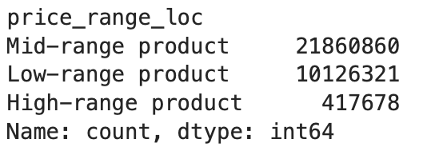
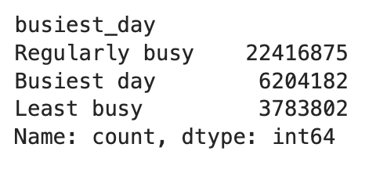
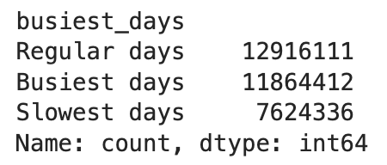
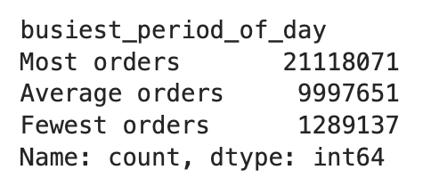
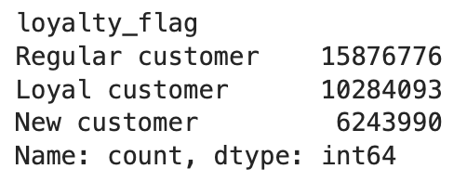
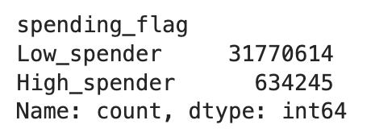
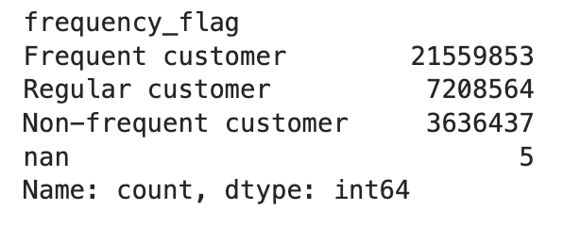
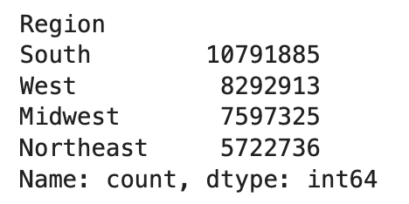
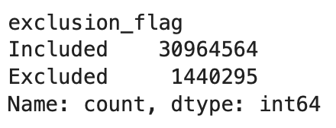
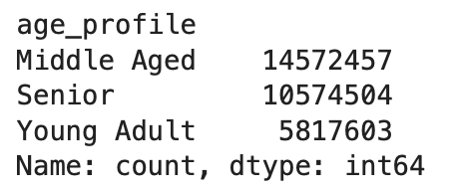
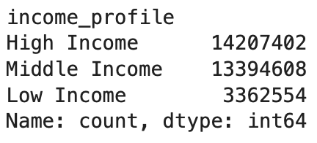
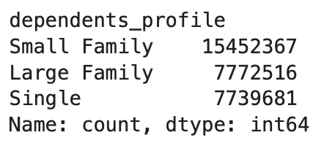
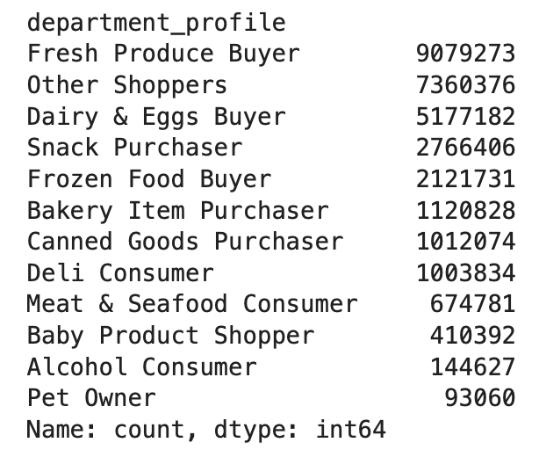
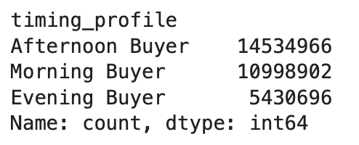
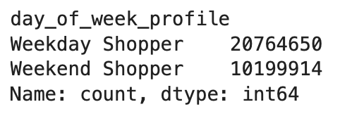
 |  |  |  | Title page

Column derivations and aggregations

In this tab you should add tables below that the frequences of flags/label variables that you produced after deriving them. NB: don't do this for continuous variables, only for flags.
Dataset | New column | Column/s it was derived from | Conditions
ords_prods_merge | price_range_loc | prices | Price > 15 = High-range product Price <= 15 but >5 = Mid-range product Price <= 5 = Low-range product
orders_wrangled | is_first_order | days_since_prior_order | Flag first orders with either 1 (it is a first time order) or 0 (it is not a first time order)
ords_prods_merge | busiest_day | orders_day_of_week | Use a "for-loop" to classify how busy each day of the week is as either "Busiest day", "Least busy", or "Regularly busy"
ords_prods_merge | busiest_days | orders_day_of_week | Use a "for-loop" to create a new column for "busiest_days" where the "Busiest days" = the two busiest days of the week The two slowest days of the week = "Slowest days"
ords_prods_merge | busiest_period_of_day | order_hour_of_day | The top 8 hours = "Most orders", the middle 8 hours = "Average orders", the bottom 8 hours = "Fewest orders"
ords_prods_merge_new_var | max_order | user_id and order_number | Displays the maximum number of orders for each user
ords_prods_merge_new_var | loyalty_flag | max-order | If the "max_order" is over 40, “Loyal customer”, If the "max_order"is over 10 but less than or equal to 40, "Regular customer”, If the "max_order" is less than or equal to 10, then the customer will be labeled a “New customer”
ords_prods_merge_new_var | mean_product_price | user_id and prices | The mean price of products purchased by each user
ords_prods_merge_new_var | spending_flag | mean_product_price | If the mean of the prices of products purchased by a user is lower than 10, flag as “Low spender”, If the mean of the prices of products purchased by a user is higher than or equal to 10, flag as “High spender"
ords_prods_merge_new_var | order_frequency | user_id and days_since_prior_order | Median of "days_since_prior_order" for each user
ords_prods_merge_new_var | frequency_flag | order_frequency | If the median is higher than 20, then “Non-frequent customer”, If the median is higher than 10 and lower than or equal to 20, then “Regular customer”, If the median is lower than or equal to 10, then “Frequent customer”
ords_prods_cust_merge | Region | state | Grouping states into predefined regions
ords_prods_cust_merge | exclusion_flag | max_order | Exclude customers who have made < 5 orders
ords_prods_cust_merge | age_profile | age | If age < 30, then 'Young Adult', if age >= 30 but < 60, then ‘Middle Aged', if age >= 60, then 'Senior'
ords_prods_cust_merge | income_profile | income | If income < 50000, then 'Low Income', if income >= 50000 but < 100000, then 'Middle Income', if income >= 100000, then 'High Income'
ords_prods_cust_merge | dependents_profile | dependents | If dependents = 0, then "Single", if dependents > 0 but <= 2, then "Small Family", if dependents > 2, then "Large Family"
ords_prods_cust_merge | department_profile | department_id | Classifies users based on departments they have purchased from
ords_prods_cust_merge | timing_profile | order_hour_of_day | Classifies users as either "Morning Buyer" if they order before 12, as "Afternoon Buyer" if they order between 12 and 18, and "Evening Buyer" if they order after 18
ords_prods_cust_merge | day_of_week_profile | orders_day_of_week | Classifies users as "Weekend Shopper" if they order on Saturday or Sunday, "Weekday Shopper" if they order Monday-Friday

Frequences of flags/label variables:

6. Visualizations
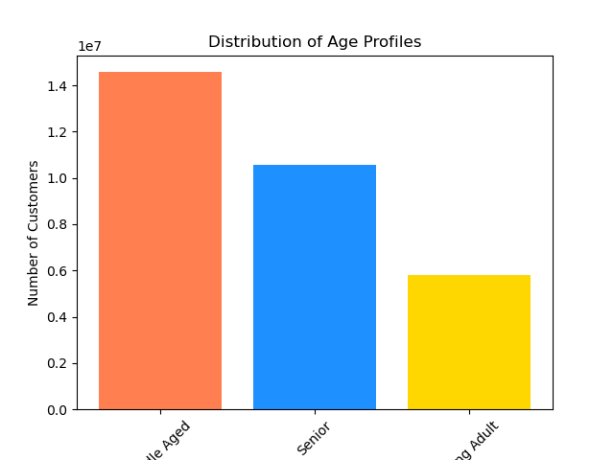
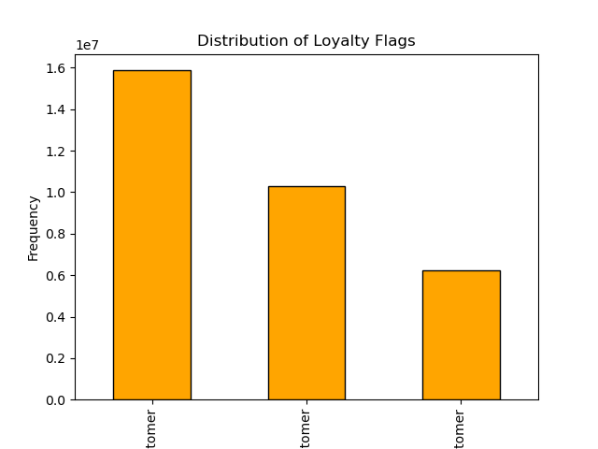

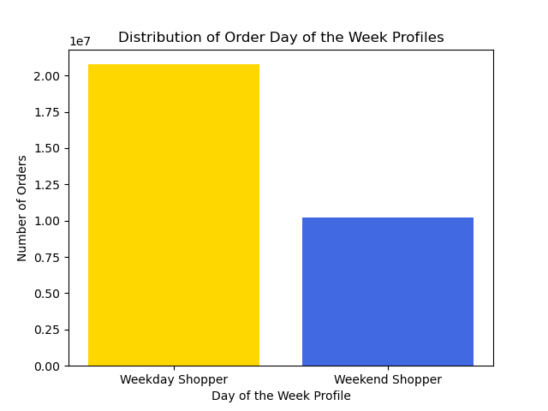
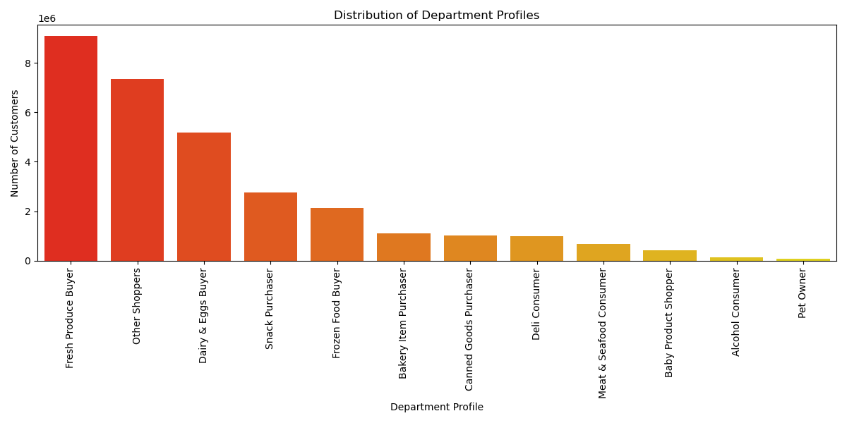
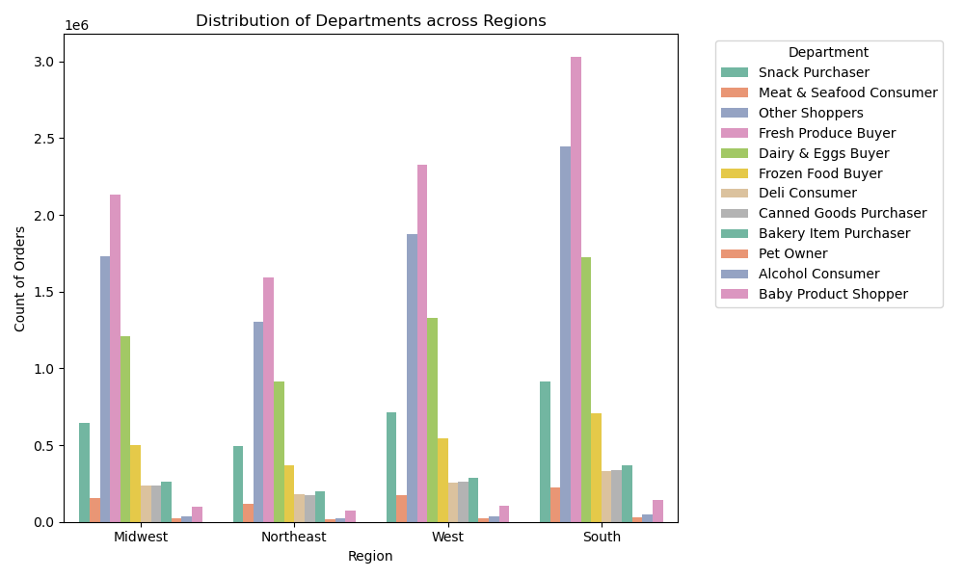
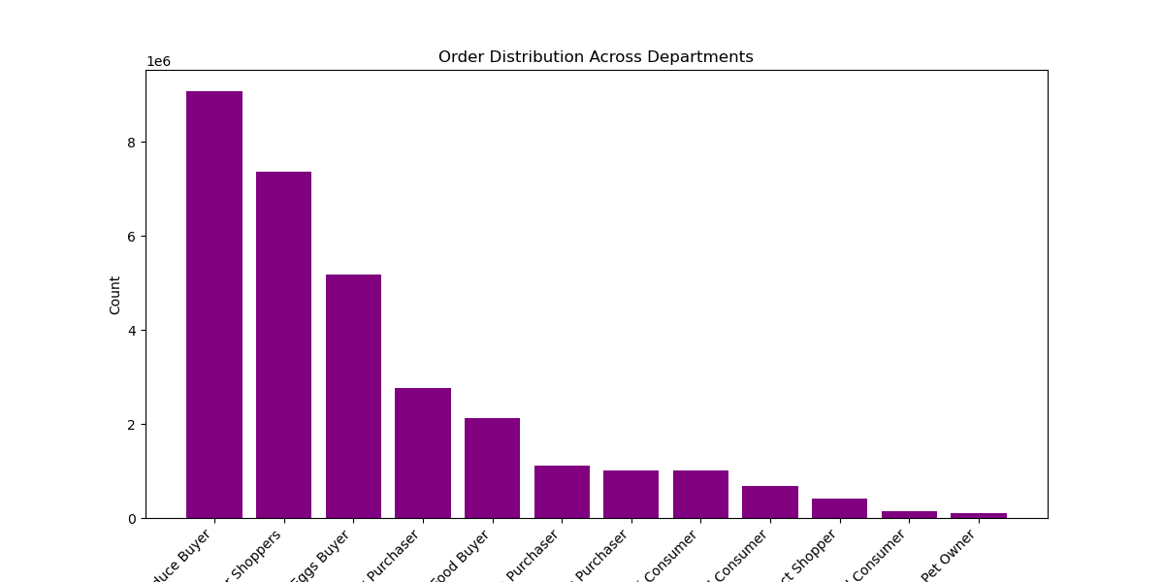
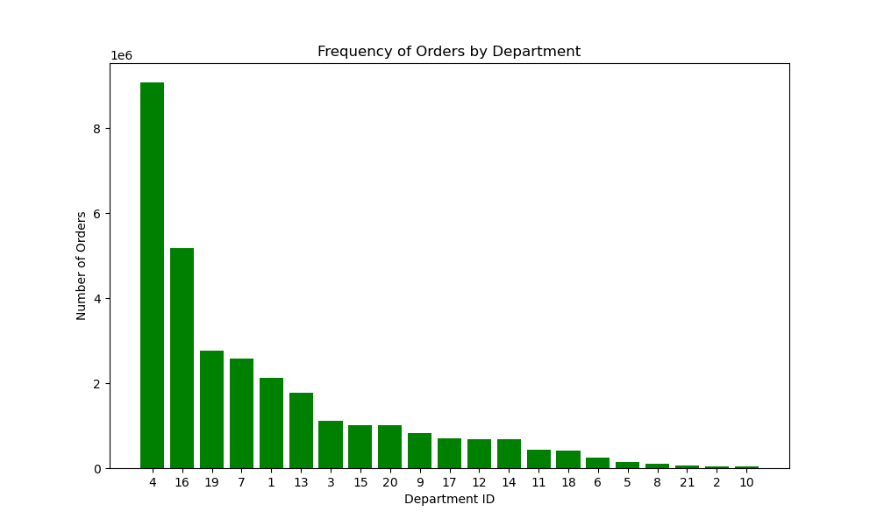
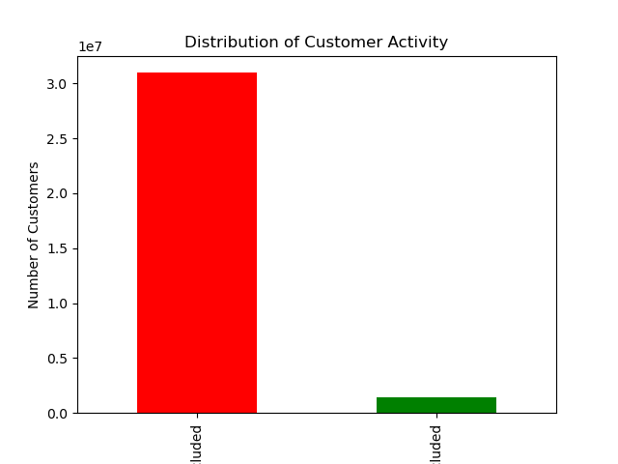
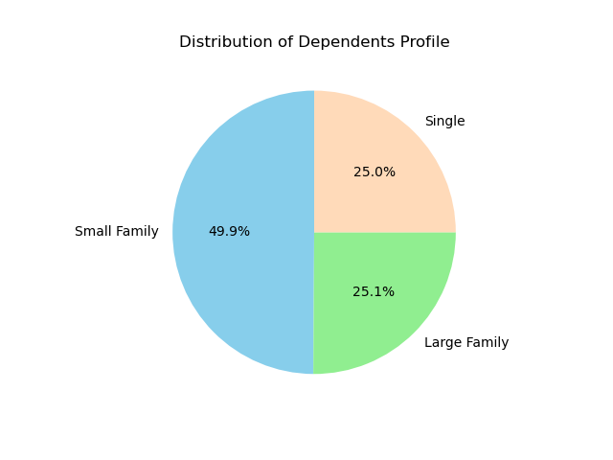

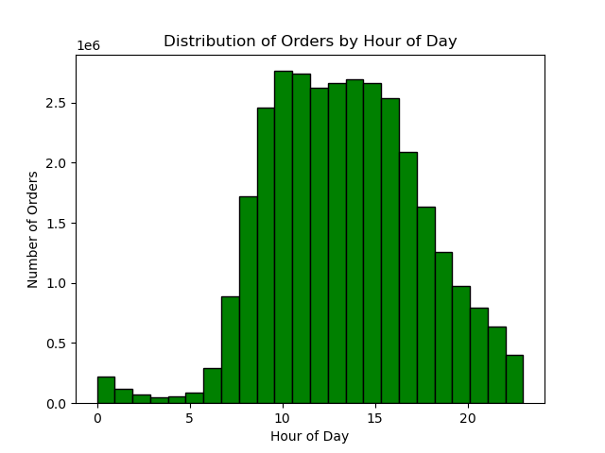

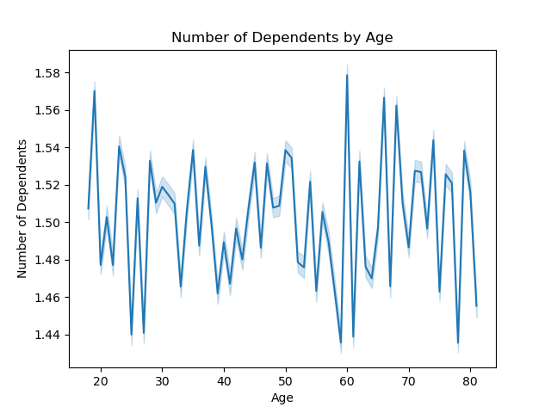
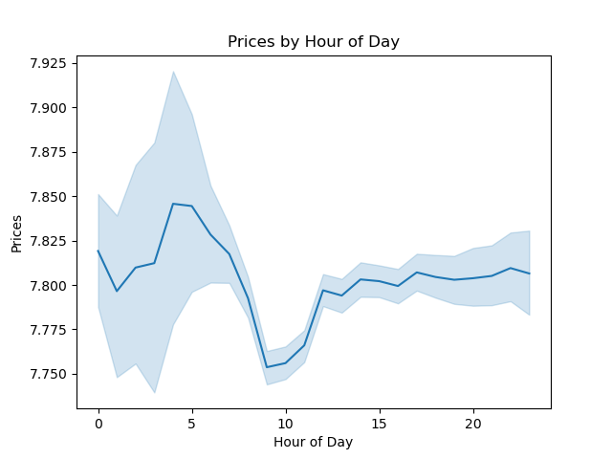
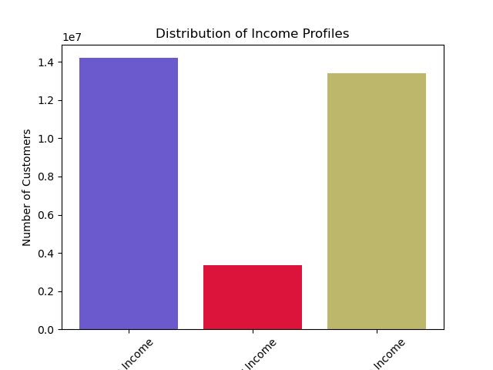
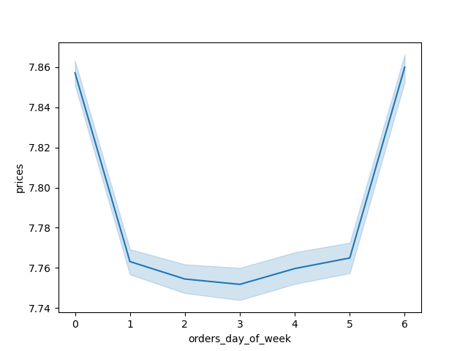
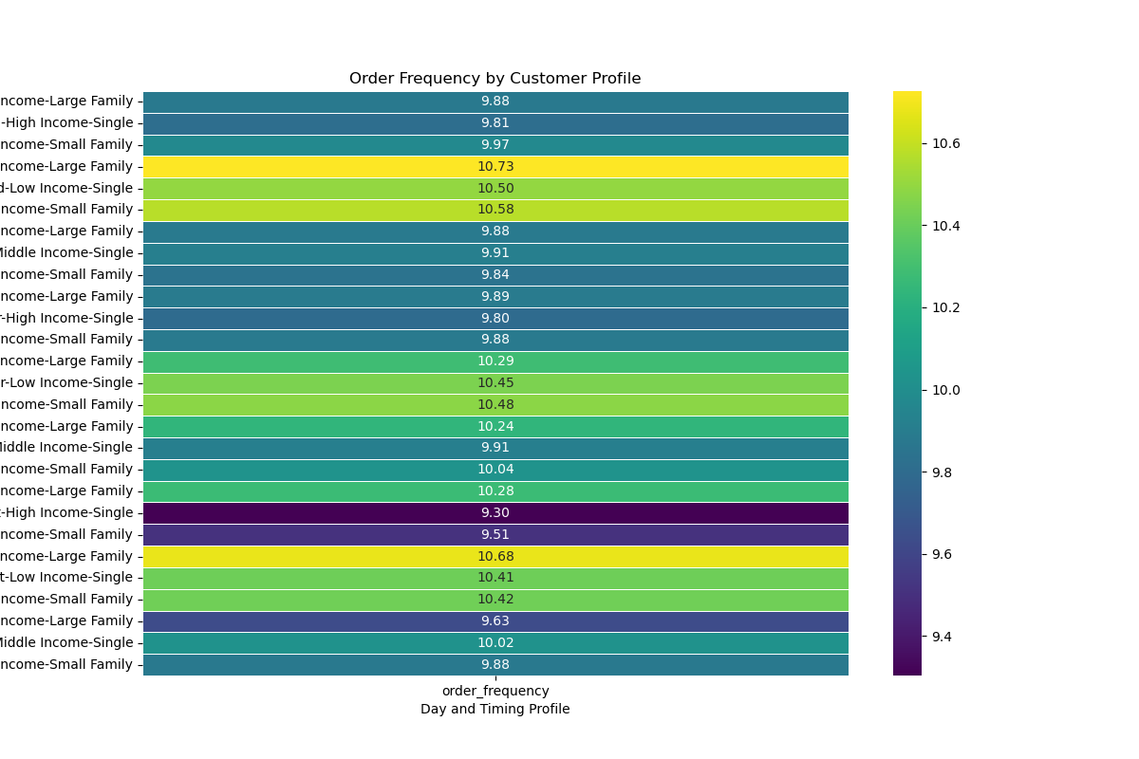
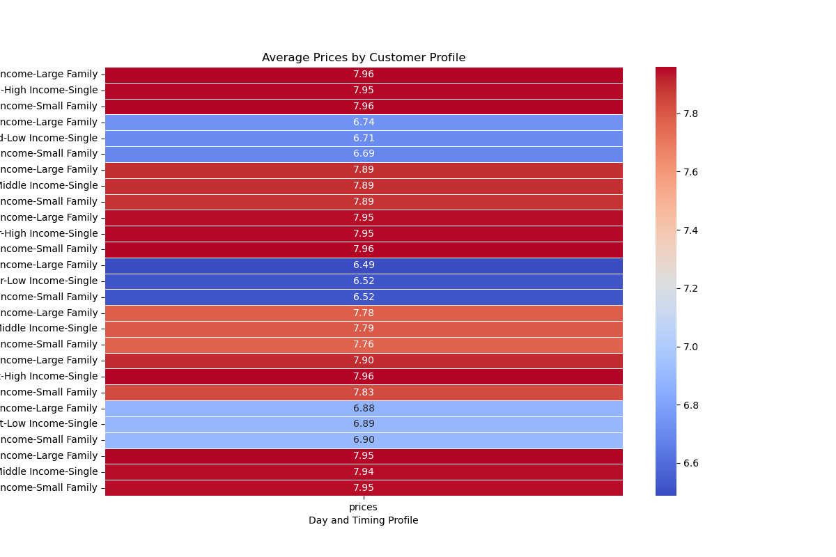
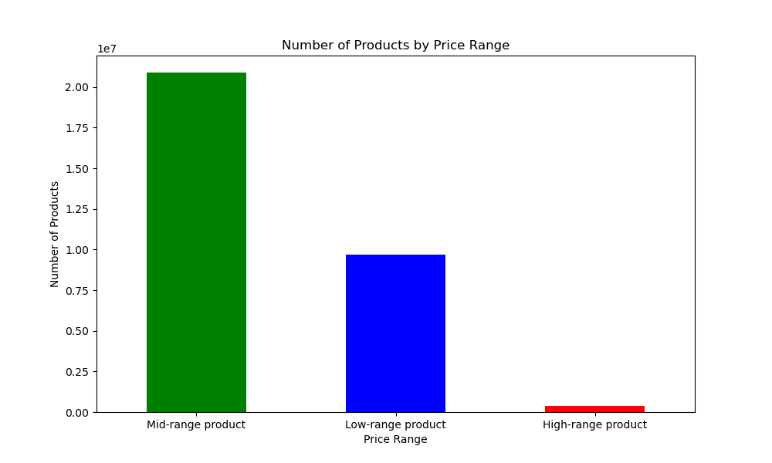
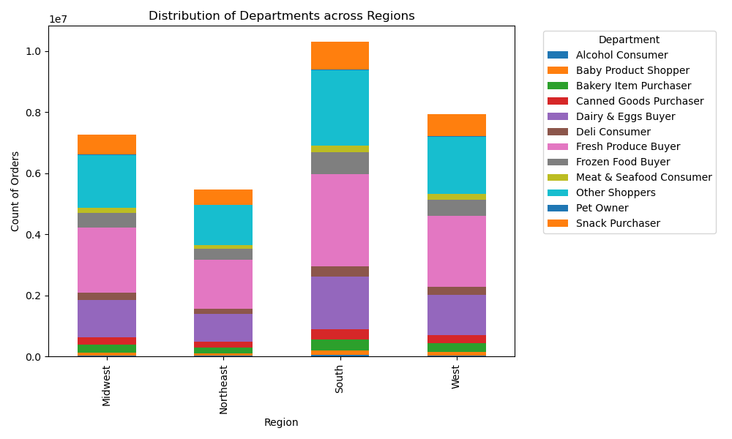

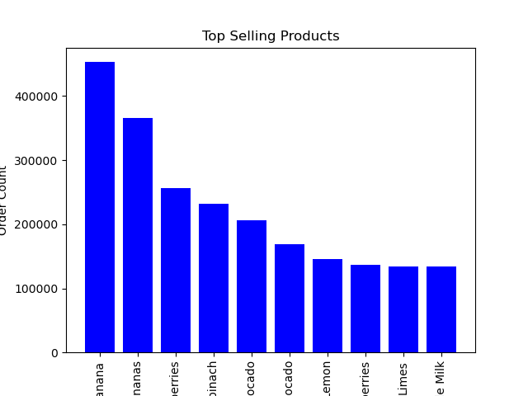
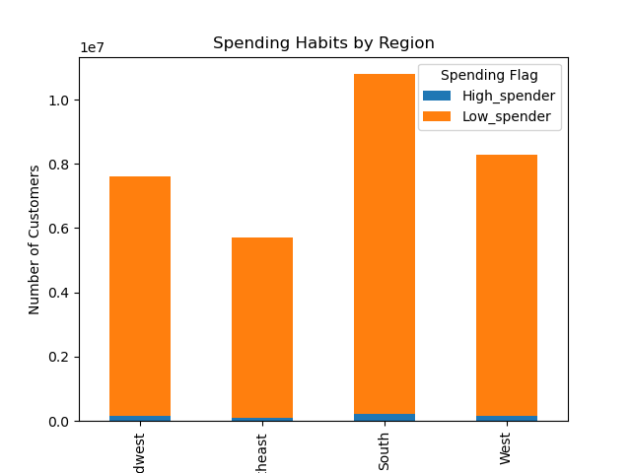
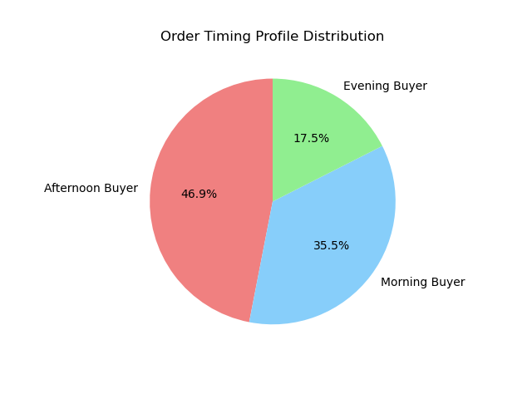
Title page

Visualisations

In this tab you should include all the visualtions from Exercises 4.9 and 4.10, alongside the questions from the project brief that they answer. Include any commentary on the relationship between different variables.

7. Recommendations
 |  |  |  |  |  |  |  | Title page

Recommendations

In this tab you should include any recommendations you would made to Instcart in terms of their marketing strategy based on the questions posed in the brief. Every key question has been covered in the Tasks of the Exercises - here you need to add an item - a visualisation or table/crosstable that is showing the answer in the data, acompanied by a comment from you. Please, list the questions below and add the answer underneath.

Question | Answer
Key Question 1: The sales team needs to know what the busiest days of the week and hours of the day are (i.e., the days and times with the most orders) in order to schedule ads at times when there are fewer orders. | Busiest Days: Saturday and Sunday are the busiest days, showing higher order volumes compared to other days. Busiest Hour: 10 AM is the peak hour for orders. The number of orders tends to peak around mid-morning and remains elevated though mid-afternoon before declining into the evening and overnight hours. Recommendations: To maximize exposure during lower activity periods, consider scheduling ads during the lowest volume mid-week days (Tuesday and Wednesday) and later in the evening when order activity tends to decrease. Offer promotions or special deals during the off-peak times to encourage more orders during the slower hours. | 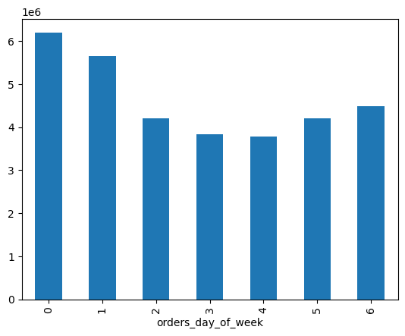 |  |  | 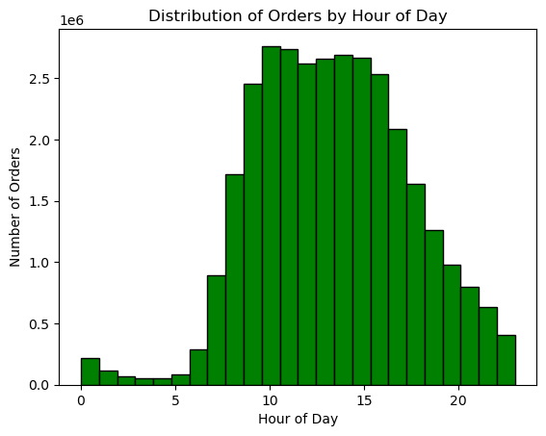
Key Question 2: They also want to know whether there are particular times of the day when people spend the most money, as this might inform the type of products they advertise at these times. | Peak Spending Hours: The analysis indicates that spending peaks in the early morning hours, suggesting that early shoppers tend to buy more expensive items or larger quantities. Spending appears to be at its lowest during the mid-morning when order frequency is at its highest. Recommendations: Place ads for high-priced items during peak spending hours to capitalize on the higher spending trends of the customers shopping at this time. Promotions or discounts during the off-peak hours may encourage increased spending during these times. | 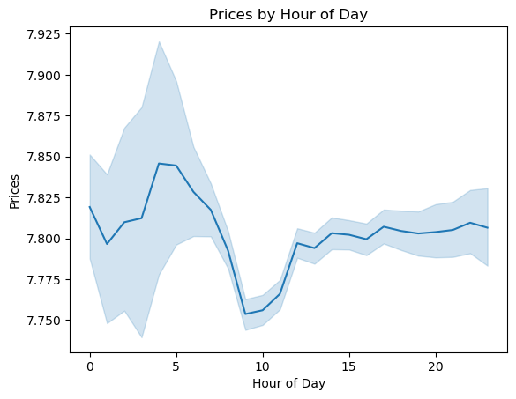
Key Question 3: Instacart has a lot of products with different price tags. Marketing and sales want to use simpler price range groupings to help direct their efforts. | The products have been categorized into three main price ranges: Low-range product: Priced at $5 or less, representing a significant portion of the inventory. Mid-range product: Priced between $5 and $15, representing the largest category by far. High-range product: Priced above $15, which represents the smallest segment, significantly smaller than the other two categories. Recommendations: Low-range products: Focus on volume-driven promotions of these lower priced items. Mid-range products: These are the core of the inventory and should be the focus of broad marketing campaigns. High-range products: Implement targeted advertising campaigns aimed at higher-income consumers who are likely to purchase premium products. | 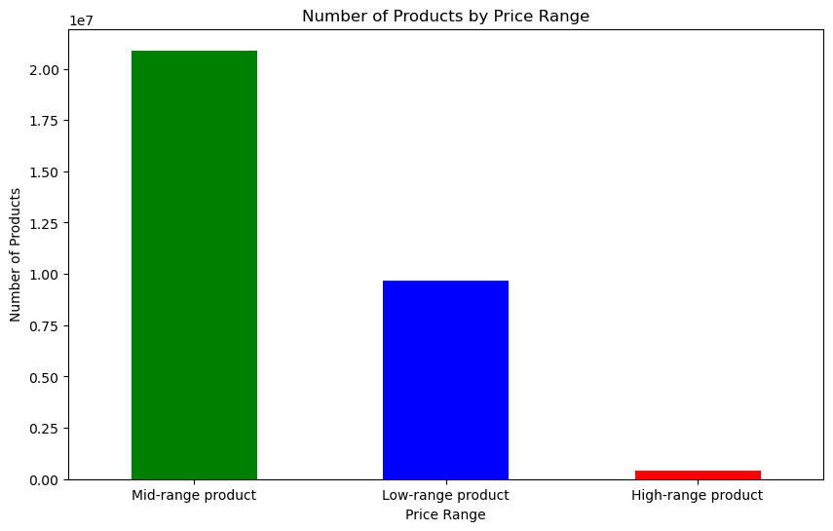
Key Question 4: Are there certain types of products that are more popular than others? The marketing and sales teams want to know which departments have the highest frequency of product orders. | Top Selling Products: The highest selling products are primarily fresh and organic items, such as bananas, strawberries, spinach, and avocados. This indicates a strong consumer preference for fresh and organic produce. Top Departments by Order Frequency: The departments with the highest frequency of orders are: Produce, Dairy Eggs, Snacks, Beverages, Frozen, Pantry, Bakery, Canned Goods, and Deli. Recommendations: Prioritize the Produce and Dairy Eggs departments as these departments have the highest order frequencies and align with consumer preferences for fresh and organic products. Consider introducing locally-sourced products that could appeal to consumers and command higher prices. |  | 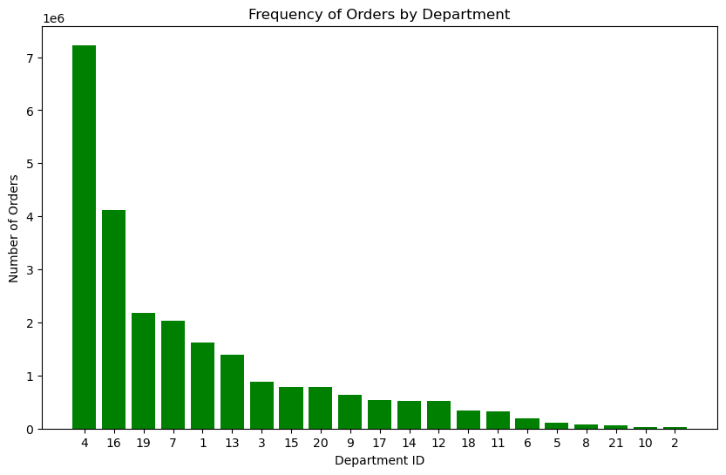 |  |  |  | 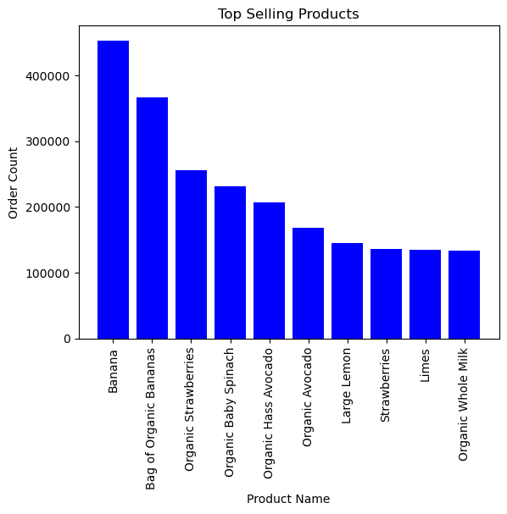
Key Question 5: What’s the distribution among users in regards to their brand loyalty (i.e., how often do they return to Instacart)? | Loyalty Distribution: Loyal Customers: 10,284,093 users have placed more than 40 orders. Regular Customers: 15,876,776 users have placed between 11 and 40 orders. New Customers: 6,243,990 users have placed 10 or fewer orders. This shows that a substantial number of users fall into the 'Regular customer' category, indicating consistent but not peak engagement. The significant number of 'Loyal customers' highlights a strong core user base, while the 'New customers' represent potential for growth. Recommendations: Develop targeted loyalty incentives and programs to encourage 'New' and 'Regular' customers to become 'Loyal'. Offering tiered rewards based on order frequency can motivate increased purchases. |  |  | 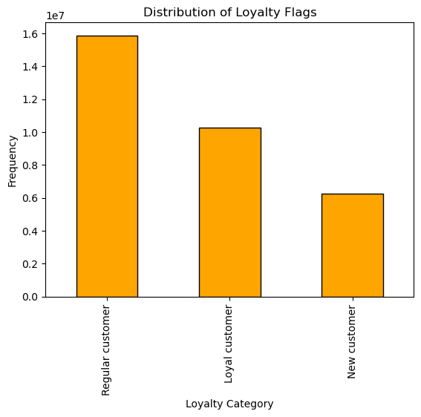
Key Question 6: Are there differences in ordering habits based on a customer’s loyalty status? | The analysis of the prices associated with different loyalty categories reveals the following: Loyal Customers: Average price per product is approximately $7.77. New Customers: Average price per product is approximately $7.80. Regular Customers: Average price per product is approximately $7.80. These metrics indicate that there are very minor differences in the average price of products purchased by different customer segments. The median prices are identical across all groups, suggesting that while there might be slight variations in spending habits, the types of products purchased (in terms of pricing) are quite consistent across loyalty categories. Recommendations: Since pricing alone does not show significant variation, we should focus our marketing strategies on other metrics such as product categories, purchase frequency, or time of purchase. | 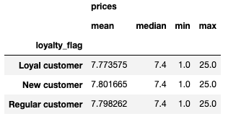
Key Question 7: Are there differences in ordering habits based on a customer’s region? | The analysis indicates significant regional differences in the number of orders placed, but relatively consistent distribution across departments. Recommendations: Adjust inventory levels and distribution based on regional sales data to optimize supply chain operations. Ensure that products are readily available in local distribution centers to reduce delivery times and improve customer satisfaction. | 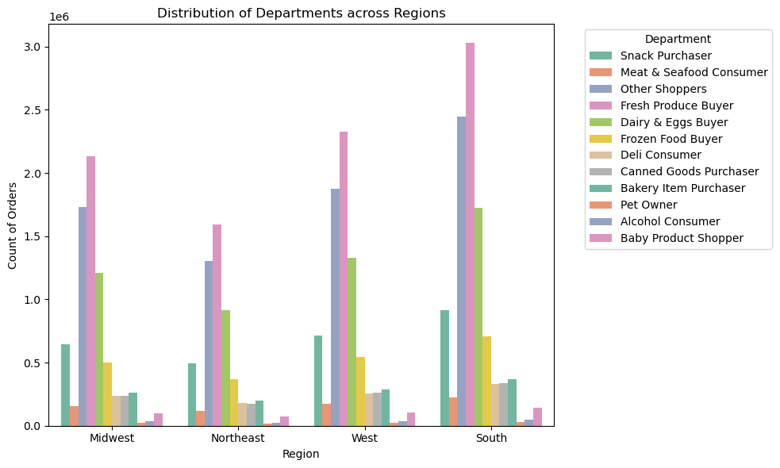
Key Question 8: Is there a connection between age and family status in terms of ordering habits? | Order Frequency: The cross-tabulation on the left. Young Adults show the most variability in order frequency. They have the highest order frequency when single (10.063) compared to when they are part of a large (9.805) or small family (9.951). Middle Aged and Senior individuals display more consistent order frequencies regardless of family status, with all values hovering around 9.93 to 9.99. Prices: The cross-tabulation on the right. When examining the average spending per order, there are minimal differences among age groups and family statuses. All age groups maintain nearly consistent average prices across different family statuses, suggesting that neither age nor family status significantly impacts the amount spent per order. Recommendations: Marketing efforts could focus on boosting order frequency among young adults in small and large families. | 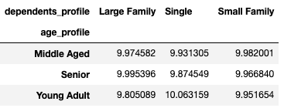 |  |  | 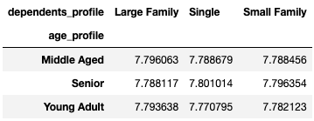
Key Question 9: What different classifications does the demographic information suggest? Age? Income? Certain types of goods? Family status? | 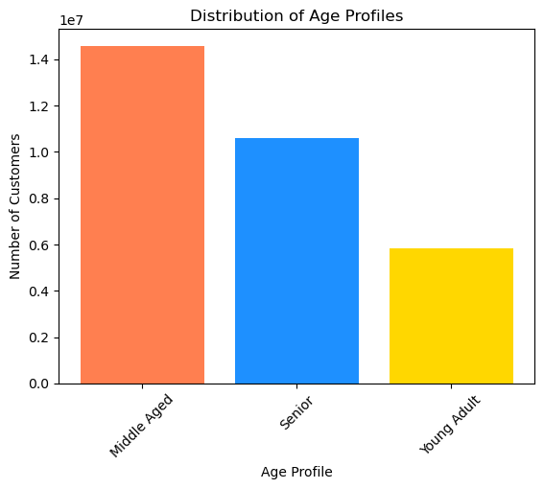 Multiple classifications were created based on the customer demographics. Based on the data, the average Instacart customer is more likely to be middle-aged with a high or middle income, small family, with a tendency to purchase fresh produce on weekday afternoons. Recommendations: Target these customers by expanding fresh produce offerings and consider locally-sourced produce. Optimize delivery schedules during the times these customers are most likely to shop. |  |  |  |  | 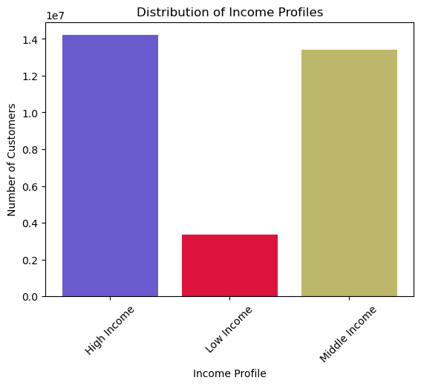 |  |  | 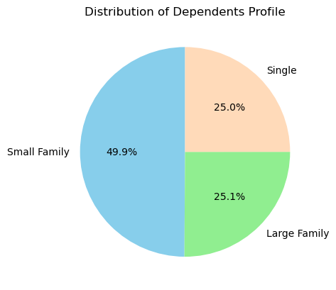 |  |  |  | 
Key Question 10: What differences can you find in ordering habits of different customer profiles? | Order Frequency: Low income families consistently show the highest order frequencies, particularly among middle aged and young adult segments, with values peaking at 10.73 and 10.68 respectively. This trend indicates that these groups are engaging in more frequent shopping, possibly due to budgeting needs that require smaller, more frequent purchases. High income young adults exhibit significantly lower order frequencies when single (9.30), compared to their large family and small family counterparts, which is notable since it deviates from the pattern observed in other high income groups. Prices: High income groups across all age profiles generally show higher average prices, indicating a preference or ability to purchase more expensive goods. The highest prices are observed with high income young adult singles and high income senior singles, suggesting a potential focus on quality or premium products. Low income groups consistently have the lowest average prices, which suggests possible economic constraints. The lowest prices are particularly notable in the senior low income segment. Recommendations: Instacart could consider creating a loyalty/rewards program specifically designed for low income middle aged and young adult families who show higher order frequencies. This could help boost retention and increase customer satisfaction by offering incentives for frequent purchases. For high income young adult and senior singles, marketing premium and high-quality products could be effective, capitalizing on their apparent willingness to spend more per item. Given the frequent shopping habits and lower spending of low income groups, Instacart could develop targeted promotions that offer better deals on bulk purchases or value items, which would provide savings on the more frequent purchases of this customer demographic. |  |  |  |  |  |  |  |  | 

